Dataset with Pictures
 | Making Informed Choices: Analysing Used Motorbikes for Best Value

# | Picture | Year | Type | Price ($) | Odometer (km) | Colour | Rego Expiry | Listing Description | Listed Date | Price/km | Link
1 | 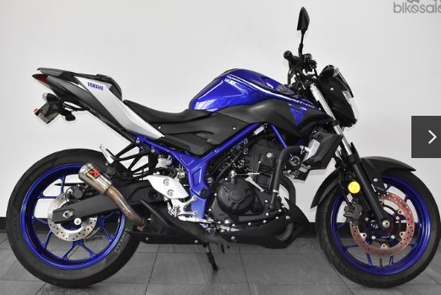 | 2017 | Dealer | $6,290 | 8923 | Blue | 2024-03-01 | Fitted with Rear Seat, Akra Slip GP pipe, Adjustable levers, Oggy Knobbs, Tail Tidy. | SOLD | 0.70 | https://www.bikesales.com.au/bikes/details/2017-yamaha-mt-03-abs-321-mt03la/OAG-AD-22909579/?Cr=0
2 | 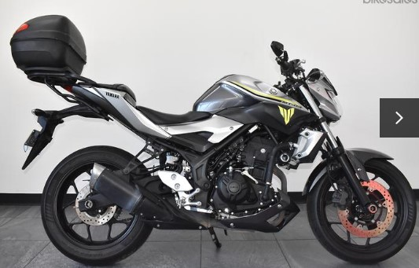 | 2017 | Dealer | $5,990 | 14088 | Silver | 2024-02-01 | Fitted with Top Box, Slider Kit, Bare End Mirrors. Nice colour. | SOLD | 0.43 | https://www.bikesales.com.au/bikes/details/2017-yamaha-mt-03-abs-321-mt03la/OAG-AD-22552483/?Cr=1
3 | 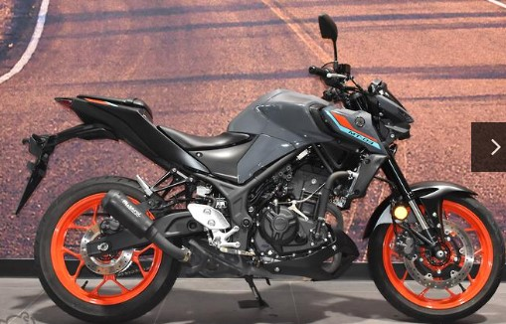 | 2021 | Dealer | $6,990 | 7802 | Grey | - | Fitted with Musari slip-on pipe | 23-02-24 | 0.90 | https://www.bikesales.com.au/bikes/details/2021-yamaha-mt-03-abs-321-mt03la/OAG-AD-22866269/?Cr=2
4 | 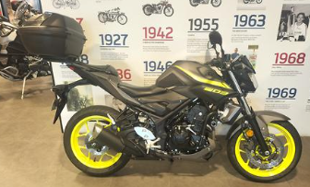 | 2018 | Dealer | $5,990 | 5750 | Grey | 2024-09-01 | One owner, 2 keys, low kms, Large GIVI Top box, Oggy Knobs | SOLD | 1.04 | https://www.bikesales.com.au/bikes/details/2018-yamaha-mt-03-abs-321-mt03la-my17/OAG-AD-22910681/?Cr=3
5 | 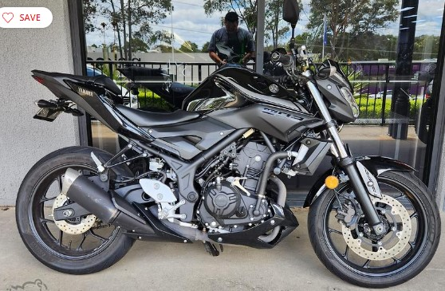 | 2019 | Dealer | $6,490 | 8965 | Black | 2024-02-01 | SOME SCRATCHES ON THE EXHAUST | 23-02-24 | 0.72 | https://www.bikesales.com.au/bikes/details/2019-yamaha-mt-03-abs-321-mt03la/OAG-AD-22797279/?Cr=4
6 | 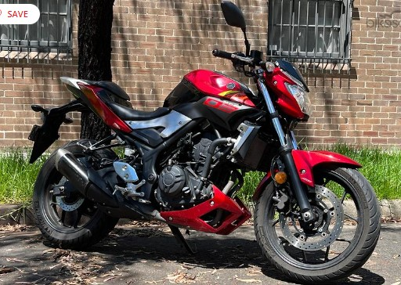 | 2016 | Private | $4,990 | 13055 | Red | 2024-01-01 | A few little scratches but nothing major, all detailed in the photos.Cleaning materials, oil and chain lube included. | 23-02-24 | 0.38 | https://www.bikesales.com.au/bikes/details/2016-yamaha-mt-03-abs-321-mt03la/SSE-AD-14372611/?Cr=5
7 | 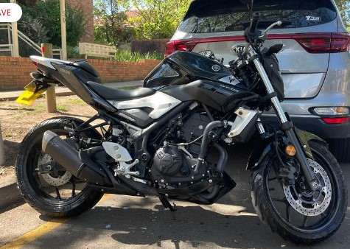 | 2016 | Private | $5,300 | 5200 | Black | 2024-02-01 | Minor cosmetic scratches, however its performance remains impeccable. Check out the images attached. | SOLD | 1.02 | https://www.bikesales.com.au/bikes/details/2016-yamaha-mt-03-abs-321-mt03la/SSE-AD-16466565/?Cr=6
8 | 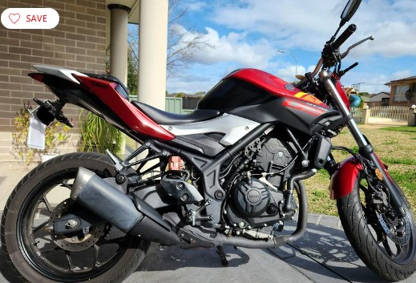 | 2016 | Private | $5,590 | 16000 | Red | 2024-09-01 | Pros: - I have done minor services in my year of ownership so the bike is in great condition. Always garaged. - New Pirelli Diablo Rosso III rear tire - great grip. - New oil filter + oil change 500km ago - Minor service dated 23/11/23, invoice kept (**Major service was not needed per mechanic recommendation. Dry service - brakes flushed, pivots, bolts, chain) - New aftermarket headlight bulb for better night vision. - Aftermarket indicators - Rear tidy - Rego ending Sep 2024 (~ 10 months). Cons: - Fuel sensors can occasionally glitch (0 impacts on the performance itself). - The front tire is okay, due for replacement soon. | 23-02-24 | 0.35 | https://www.bikesales.com.au/bikes/details/2016-yamaha-mt-03-abs-321-mt03la/SSE-AD-15103825/?Cr=7
9 | 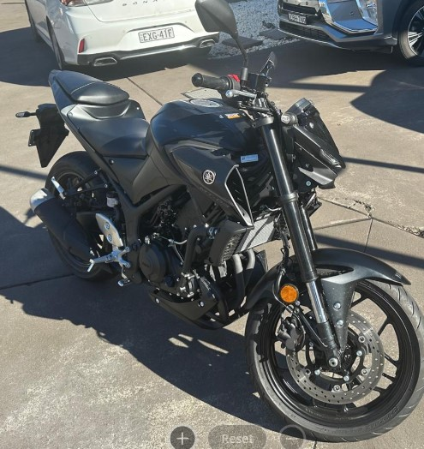 | 2023 | Private | $7,500 | 324 | Black | 2024-04-01 | Selling due to change in circumstance No mods. Bike is Stock No scratches or drops | 23-02-24 | 23.15 | https://www.bikesales.com.au/bikes/details/2023-yamaha-mt-03-abs-321-mt03la/SSE-AD-15405665/?Cr=8
10 | 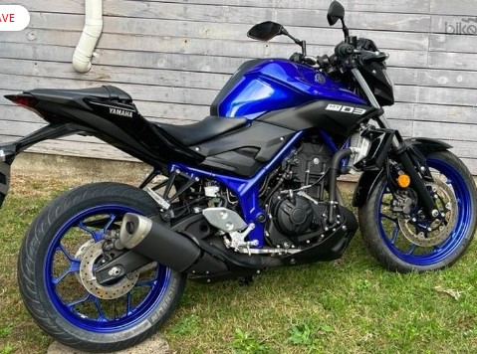 | 2019 | Private | $6,750 | 6 | Blue | - | I've rode this bike 2 times around the block when I first got my L plates! It only has 6kms on the odometer. I was planning to ride with mates but they never decided to purchase a bike with me and I'm only now just getting around to selling it. | SOLD | 1,125.00 | https://www.bikesales.com.au/bikes/details/2019-yamaha-mt-03-abs-321-mt03la/SSE-AD-16696461/?Cr=9
11 | 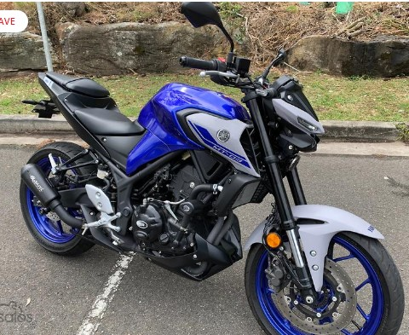 | 2021 | Private | $6,700 | 4700 | Blue | 2024-12-01 | Features: - Never dropped or in any accidents - 4700 - 11 months rego - 1 owner - no finance - regularly washed and maintained - Full service history - stock parts included Mods: - Musarri slip on exhaust (with baffle) - R&G Frame sliders - R&G Engine covers - R&G tail tidy | SOLD | 1.43 | https://www.bikesales.com.au/bikes/details/2021-yamaha-mt-03-abs-321-mt03la/SSE-AD-16364121/?Cr=10
12 | 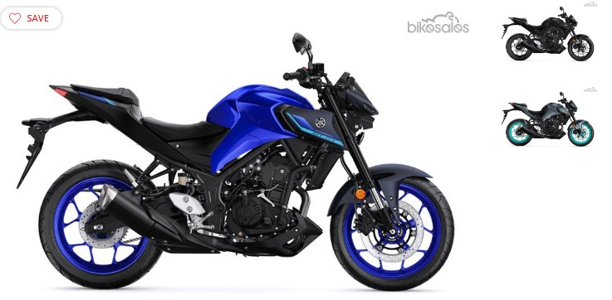 | 2024 & 2023 | Dealer | $8,199 | 0 | Blue | NEW | NEW | N/A | #DIV/0! | https://www.bikesales.com.au/bikes/details/2024-yamaha-mt-03-abs-321-mt03la-my23/SHRM-AD-633139/?Cr=11 https://www.bikesales.com.au/bikes/details/2023-yamaha-mt-03-abs-321-mt03la/OAG-AD-21417746/?Cr=13
13 | 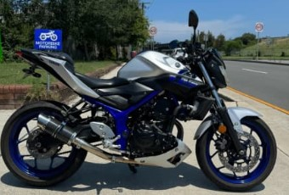 | 2013 | Dealer | $5,199 | 28280 | Blue | 2024-08-01 | Bike is in excellent condition Just serviced Leaner approved Comes with LED signals fitted Comes with frame protectors LED signals fitted Tail tidy fitted Carbon Delcevic exhaust fitted | 23-02-24 | 0.18 | https://www.gumtree.com.au/s-ad/mascot/motorcycles/yamaha-mt03-lams/1319892604
14 | 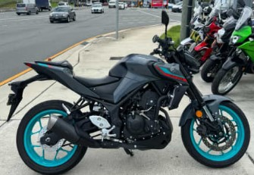 | 2023 | Dealer | $7,099 | 9839 | Grey | 2024-06-01 | Bike is in new condition Comes with 2 keys Comes with books Comes with service history Good tyres One owner only | 23-02-24 | 0.72 | https://www.gumtree.com.au/s-ad/mascot/motorcycles/yamaha-mt03-new-shape-2023/1322202347
15 | 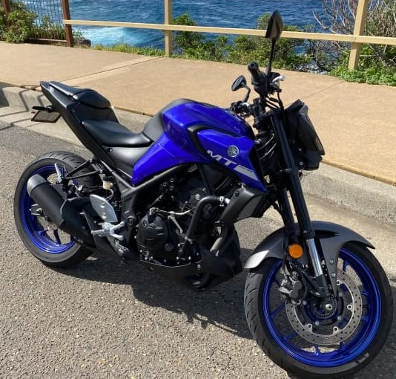 | 2020 | Private | $6,500 | 2900 | Blue | - | Bike is always parked in garage. Selling due to upgrade. Inspection Maroubra or city. Price is firm. | 23-02-24 | 2.24 | https://www.gumtree.com.au/s-ad/maroubra/motorcycles/mt03-2020-low-kms/1322101779
16 | 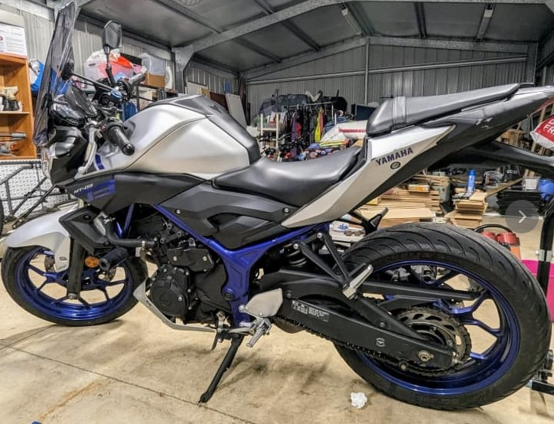 | 2017 | Private | $4,800 | 21800 | Blue | 2024-05-01 | It has a blue and silver colour scheme with no major scratches or dents. It runs great and has been well maintained. It has the following features and upgrades: - Massive wind deflectors for better aerodynamics and comfort - Sliders for extra protection in case of a fall - Radiator guard to prevent debris from damaging the radiator - Quad lock phone mount that also can charge your phone while riding - Chains are always cleaned after 2 tanks of fuel - Engine oil and filter were changed 1500km ago - Registered until May this year | SOLD | 0.22 | https://www.gumtree.com.au/s-ad/kellyville/motorcycles/2017-mt-03-for-sale/1322097515
17 | 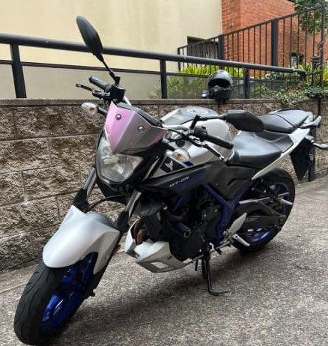 | 2016 | Private | $4,600 | 26000 | Blue | 2024-06-01 | Negotiable Comes with Akrapovic slip on exhaust, Oggy knobbs, short levers, 2 keys, manuals etc. | 23-02-24 | 0.18 | https://www.gumtree.com.au/s-ad/kensington/motorcycles/yamaha-mt-03-motorcycle/1322028734
18 |  | 2021 | Dealer | $6,899 | 34386 | Blue | 2024-06-01 | Bike is in excellent condition Comes with 2 keys Comes with logbook service history Just serviced One owner only Extended Warranty until 2026 by Yamaha Front and Rear cam, dashcam fitted Akrapovic slipon fitted | 23-02-24 | 0.20 | https://www.gumtree.com.au/s-ad/mascot/motorcycles/yamaha-mt03-new-shape-/1321950074
19 | 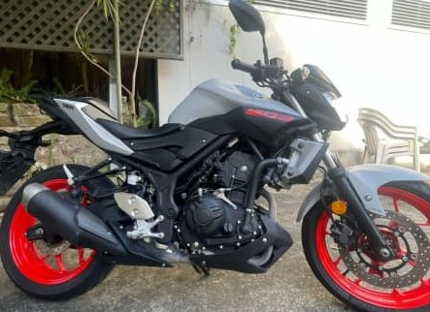 | 2019 | Private | $5,500 | 18000 | Grey | 2025-09-01 | I have to sell my motorcycle because I'm going back to my country. The motorcycle is in perfect condition. I did the service in December, including changing the brake pads and air filter. REGO until september 25. Includes 2 keys | SOLD | 0.31 | https://www.gumtree.com.au/s-ad/randwick/motorcycles/yamaha-mt03-321cc/1321548797
20 |  | 2021 | Private | $6,600 | 7000 | Grey | - | Selling due to upgrading to a bigger bike. -full service history from on two wheels Gregory hills. Also from on to wheels with bike purchase: -Full Akrapovic exhaust (carbon finer edition) -R&G radiator guard -R&G tail tidy -DNA air filter -aftermarket mirrors | SOLD | 0.94 | https://www.gumtree.com.au/s-ad/gregory-hills/motorcycles/2021-yamaha-mt-03-first-owner-for-sale/1321069488
21 | 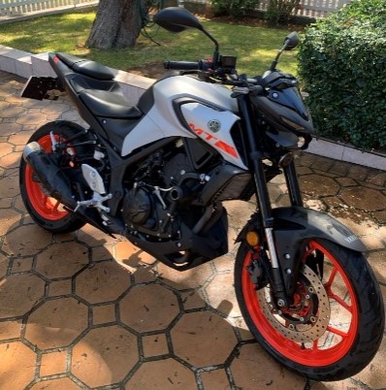 | 2020 | Private | $5,000 | 19000 | Grey | ? | 2020 mt03 20,000km Serviced at 5000 and 15000 New rear tyre at 15,000 Dropped like 3 times lol but rides fine, I daily it Slip on SC project - still have stock Tail tidy - still have mermaid tail Aftermarket levers | 16-02-24 | 0.26 | BOVAN'S BIKE
22 | 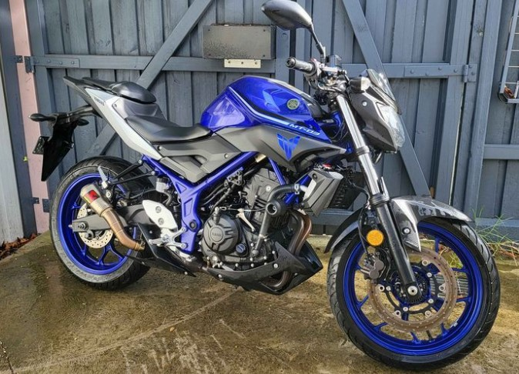 | 2017 | Private | $4,490 | 17000 | Blue | 2024-09-01 | 17000km ABS Well looked after Just serviced Evotech crash knobs Engine guard/sliders Akrapovic exhaust Great learner's bike/commuter Mechanically excellent, light cosmetic damage from low speed drop Just put on 6 months rego Test rides only with full deposit. | SOLD | 0.26 | https://www.facebook.com/marketplace/item/369439332687503/?ref=search&referral_code=null&referral_story_type=post&tracking=browse_serp%3A429c79d8-2f9c-4375-b333-4e1a81281ba1
23 | 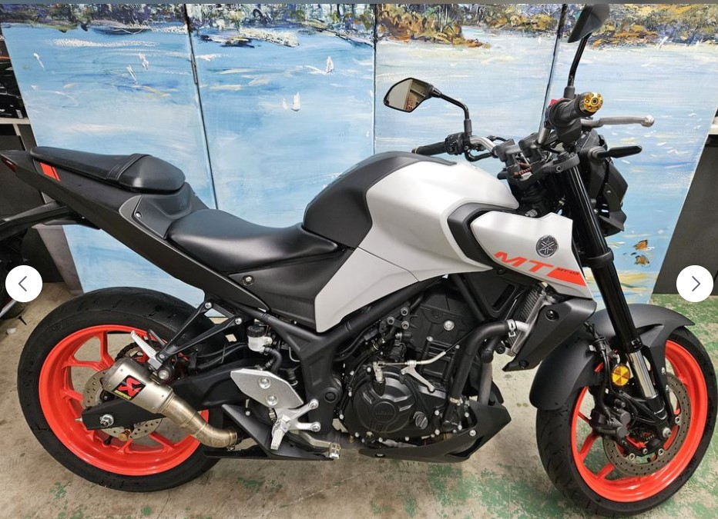 | 2019 | Private | $5,250 | 9687 | Grey (Red) | Unregistered | Yamaha MT03 2019 LAMS 9687Kms Unregistered (Blue slip required) Great condition, not dropped but one small scrape ark on side, needs a service but runs well. Unregistered since 2022 but has been regularly moved around. Akrapovic exhaust Inspect at Mega Cash in St Marys 9am-5pm Monday to Friday Don't ask "Is this available?" NO SWAPS Price negotiable | 23-02-24 | 0.54 | https://www.facebook.com/marketplace/item/931902628647239/?ref=search&referral_code=null&referral_story_type=post&tracking=browse_serp%3A429c79d8-2f9c-4375-b333-4e1a81281ba1
24 | 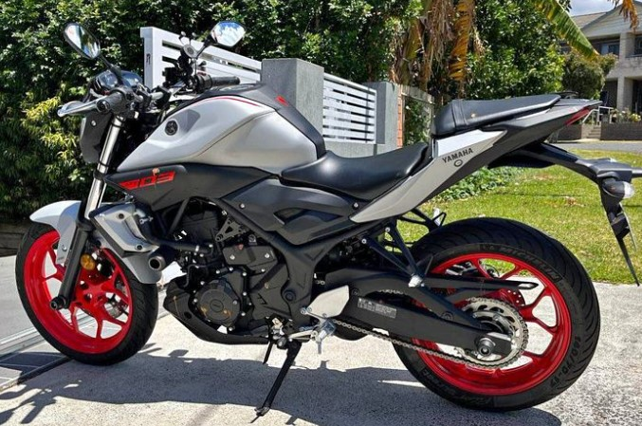 | 2019 | Private | $5,200 | 14000 | Grey (Red) | - | MT03 2019 Last Model Excellent Condition great Mileage and Good for Learner & Uber Eats.Single User comes with helmet . Non- Scratches everything is perfect.No time Waste /Cash Only | 20-02-24 | 0.37 | https://www.facebook.com/marketplace/item/797305219104823/?ref=search&referral_code=null&referral_story_type=post&tracking=browse_serp%3A429c79d8-2f9c-4375-b333-4e1a81281ba1
25 | 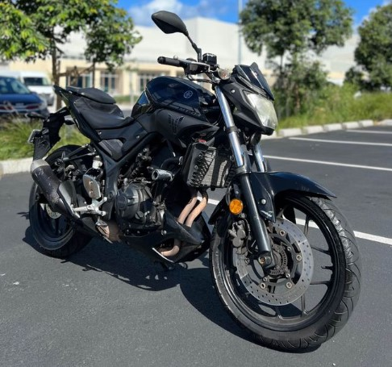 | 2017 | Private | $4,999 | 40000 | Black | - | Mt - 03 2017 New tyre One year rego Great bike | SOLD | 0.12 | https://www.facebook.com/marketplace/item/705619745077780/?ref=search&referral_code=null&referral_story_type=post&tracking=browse_serp%3A429c79d8-2f9c-4375-b333-4e1a81281ba1
26 | 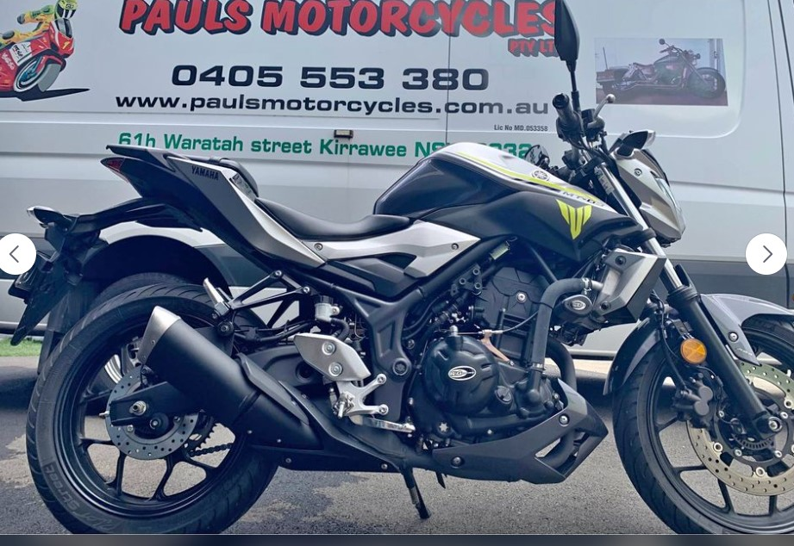 | 2017 | Dealer | $5,400 | 2832 | Silver | 2024-08-01 | Quick sale, This 2017, Yamaha MT-03 is learner legal and is in immaculate condition. Comes with logbook very low kilometres and is registered till 19th of August 2024. Please look at all photos. BIKE is located in Sutherland Shire can be viewed this Saturday or Sunday or whenever you like, ￼ has two keys with owners manual ready to ride | SOLD | 1.91 | https://www.facebook.com/marketplace/item/1552434295554851/?ref=marketplace_profile&referral_code=undefined
27 | 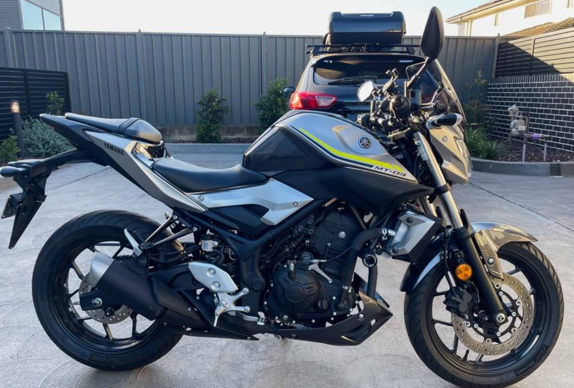 | 2017 | Private | $4,450 | 655 | Silver | 2024-12-01 | Very low km - 655 km Due to health reasons, it had been always garaged. It has been fully serviced and the battery has been replaced in December 2023. (service report and receipt available) Excellent condition / Like new One owner Very low km (655km) Always garaged 9 months rego (15/12/2024) Never been dropped Additional/Optional Parts: Givi Windshield Oggy Knobbs BARRACUDA Brake/Clutch Lever Ram X-Grip Phone Mount | SOLD | 6.79 | https://www.facebook.com/marketplace/item/812418094237353/?ref=search&referral_code=null&referral_story_type=post&tracking=browse_serp%3Ab74c6316-ae9e-4160-8f88-3f3f43d8aeda
28 | 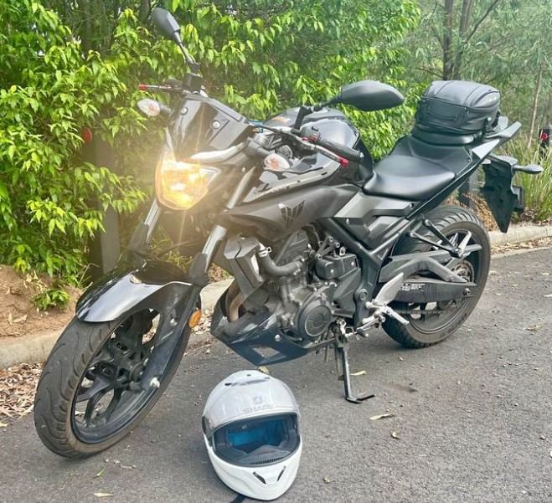 | 2017 | Private | $4,800 | 14000 | Black | - | Classic MT03 (320 cc) Easy to ride, great handling, well serviced. Has been dropped once on gravel, scratch to outer left handlebar and small scratches to exhaust. Brake levers replaced with custom adjustable levers. Has never had any issues and has been an excellent first bike to learn on | 2024-12-03 | 0.34 | https://m.facebook.com/marketplace/item/382526631392560/?ref=search
29 | 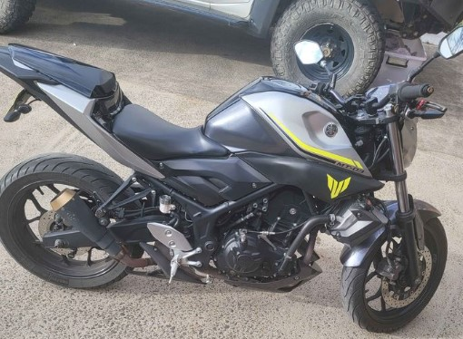 | 2017 | Private | $4,000 | 23058 | Silver | 18/10/24 | Selling my 2017 Yamaha mt-03 due to upgrading. In very good condition only used for weekend rides. Just had oil change and never missed a beat Rego till 18/10/24 Comes with: - aftermarket exhaust - blacked out led indicators - tail tidy - adjustable brake and clutch levers - Pillion seat plastic replacement cover - original pillion seat - original exhaust - original pillion foot pegs | SOLD | 0.17 | https://m.facebook.com/marketplace/item/764802452246602/?ref=search
30 | 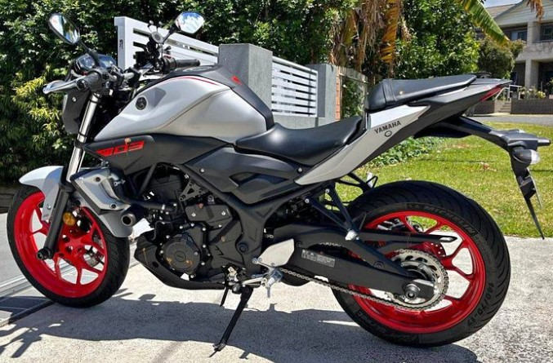 | 2019 | Private | $5,000 | 14000 | Orange | - | MT03 2019 Last Model Excellent Condition great Mileage and Good for Learner & Uber Eats.Single User comes with helmet . Non- Scratches everything is perfect.No time Waste /Cash Only | 20-02-24 | 0.36 | https://www.facebook.com/marketplace/item/797305219104823/?ref=search&referral_code=null&referral_story_type=post&tracking=browse_serp%3Ab9a7a8e4-dddd-4cf4-bca5-133536ad2473&__tn__=!%3AD
30 |  | 2019 | Private | $5,250 | 9687 | Grey | - | Yamaha MT03 2019 LAMS 9687Kms Unregistered (Blue slip required) Great condition, not dropped but one small scrape ark on side, needs a service but runs well. Unregistered since 2022 but has been regularly moved around. Akrapovic exhaust Inspect at Mega Cash in St Marys 9am-5pm Monday to Friday Don't ask "Is this available?" NO SWAPS | 27-02-24 | 0.54 | https://www.facebook.com/marketplace/item/931902628647239/?ref=search&referral_code=null&referral_story_type=post&tracking=browse_serp%3Ab9a7a8e4-dddd-4cf4-bca5-133536ad2473
31 | 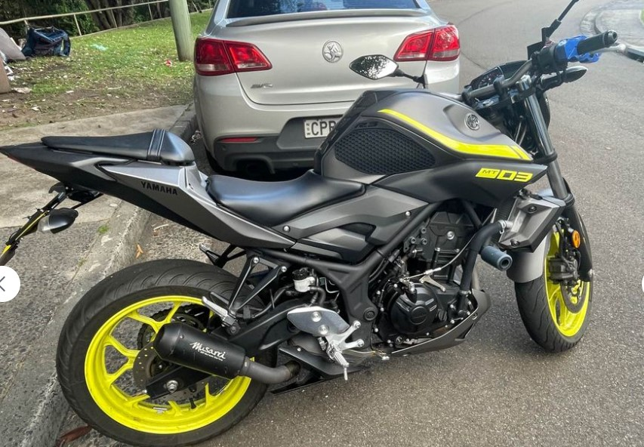 | 2018 | Private | $4,750 | 18000 | Grey | 2024-09-01 | 2018 MT03 excellent condition - looking for upgrade slightly negotiable upon inspection serviced 1500km ago + 6 months rego Includes: • musarri GP street slip on exhaust • weather cover 🌧️ • tail tidy • throttle lock / brake lock 🔐 • disc lock • spare indicators (brand new) 💡 • tank protector ⛽️ • tank grips • tail tidy • frame sliders 🛟 • stock tail • logbook + 2 keys 🔑 📖 📍 located in Hunters Hill | 23-03-24 | 0.26 | https://www.facebook.com/marketplace/item/1558987701337459/?ref=search&referral_code=null&referral_story_type=post&tracking=browse_serp%3A528f7dd4-7afd-4c5f-be38-fcddbaf1fad2
32 | 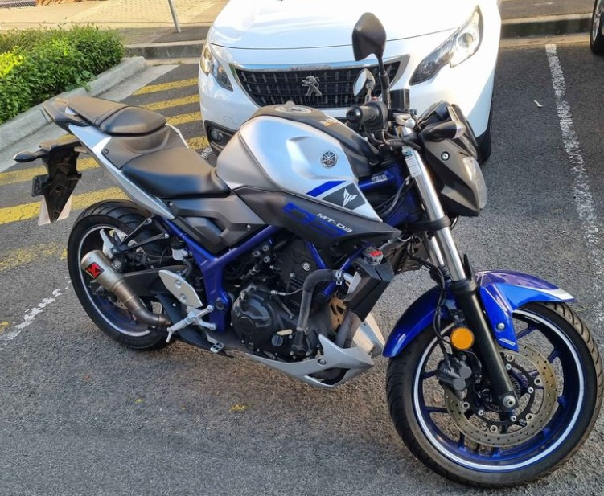 | 2017 | Private | $4,880 | 20299 |  | 2024-10-01 | MT-03 2017 for sale 202xx kms Price $4880 Used for weekend rides, always garaged, minor scratches Include Akrapovic exhaust - upgrade The perfect learner bike comes all stock. Rego until Oct 2024 and regularly Have all receipts and logbooks Anymore questions feel free to msg me. | 22-03-25 | 0.24 | https://www.facebook.com/marketplace/item/691773289576875/?ref=search&referral_code=null&referral_story_type=post&tracking=browse_serp%3A528f7dd4-7afd-4c5f-be38-fcddbaf1fad2
33 | 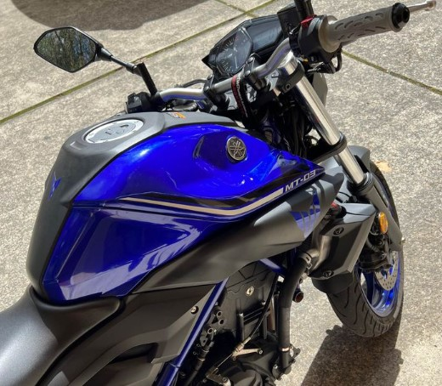 | 2017 | Private | $5,760 | 8830 | Blue | 2025-03-01 | Full System Exhaust ( Akrapovic Exhaust ) Sounds Beautiful. Pops & Crackles. • Low KMs ( 8830KMs ) • Always Starts On First Beat • Great First Bike ( LAMS Approved ) • 12 months rego • 2 Keys • Comes with Logs • Always Serviced • Can Send Video Of Start Up • Minor scratches From Previous Owner • End Of The Clutch Has Been Chipped . Still Works Perfectly. • Slightly Negotiable After Inspection • NO TIME WASTERS !! • NO TEST RIDES UNLESS CASH IN HAND • DM For More Detail | 19-03-24 | 0.65 | https://www.facebook.com/marketplace/item/1369356481127814/?ref=marketplace_profile&referral_code=undefined
34 | 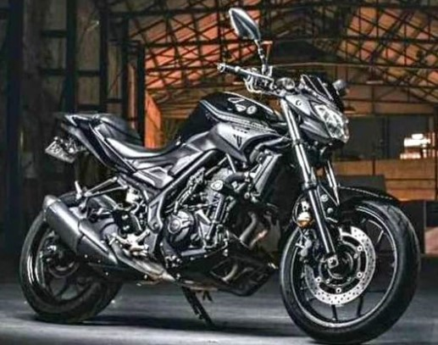 | 2017 | Private | $5,800 | 30000 | Black | 2024-07-01 | Amazing learner bike. Comfortable as a daily runner and on longer adventures. Well looked after. Serviced regularly. New chain and sprockets. Rego until July 2024 Comes with: Tail tidy LED rear indicators Frame sliders Bike cover Disc lock Bike stand Puncture repair kit I am looking at selling my bike due to upgrade | 23-03-24 | 0.19 | https://www.facebook.com/marketplace/item/386267361003060/?ref=search&referral_code=null&referral_story_type=post&tracking=browse_serp%3A528f7dd4-7afd-4c5f-be38-fcddbaf1fad2
35 |  | 2022 | Private | $6,800 | 500 | Grey | 2024-07-01 | Selling my Yamaha mt03 due to buying a car and not needing a bike anymore Kms- 500kms Perfect condition Rego until July 31st 2024 Please message me if you have any questions Comes with 2 keys and logbook St marys 2760 | 2024-12-03 | 13.60 | https://www.facebook.com/marketplace/item/933329418464110/?ref=search&referral_code=null&referral_story_type=post&tracking=browse_serp%3A528f7dd4-7afd-4c5f-be38-fcddbaf1fad2
36 | 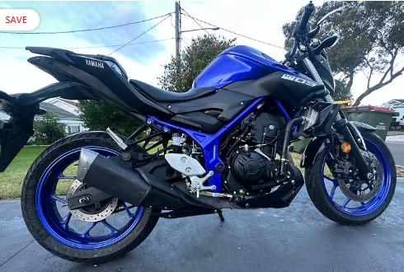 | 2018 | Private | 5500 | 12353 | Blue | - | The battery was replaced 6 months ago Runs well 2 keys and the Manual included There is a small crack on the fibreglass under the passenger pillion seat (see last picture) | 26-03-24 | 0.45 | https://www.bikesales.com.au/bikes/details/2018-yamaha-mt-03-abs-321-mt03la-my17/SSE-AD-16936542/?Cr=4
37 | 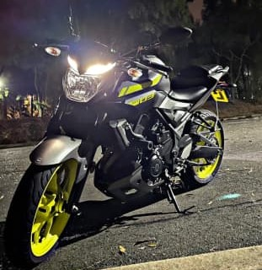 | 2018 | Private | $4,750 | 18000 | Grey | 2024-09-01 | 2018 MT03 excellent condition - looking for upgrade 6 months rego Includes: • HJC C10 Helmet gold tinted reflective visor (basically new) ⛑️ • racing chain lube and chain cleaner ⚙️ • FULL SYSTEM EXHAUST - pops, bangs and beautiful engine roar 🔈💥 • spare indicators (brand new) • tank protector ⛽️ • tail tidy • frame sliders • stock pipes • stock tail • logbook 2 keys 🔑 📖 📍 located in Hunters Hill | 2024-12-03 | 0.26 | https://www.gumtree.com.au/s-ad/hunters-hill/motorcycles/yamaha-mt-03-lams/1322851445 https://www.facebook.com/marketplace/item/1558987701337459/?ref=search&referral_code=null&referral_story_type=post&tracking=browse_serp%3Adceca108-bb09-4862-80cc-0e7c65960520

